Sheet1
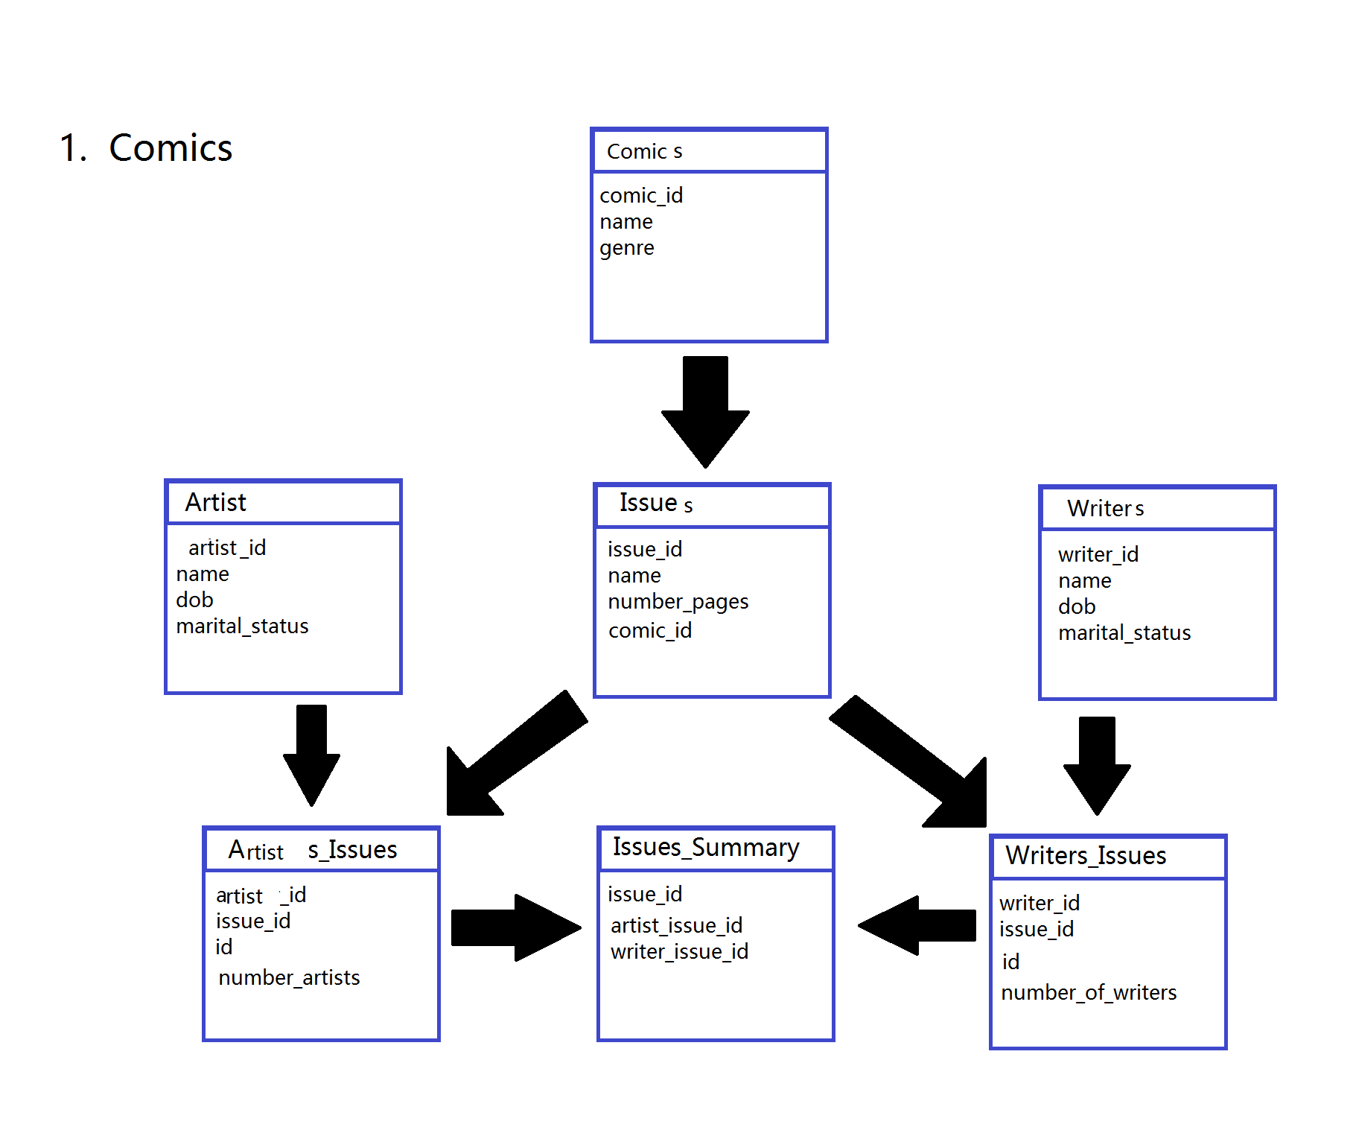

COMICS
comic | 1 | to | many | issue

comic | many | to | many | artist

comic | many | to | many | writer

issue | many | to | many | artist

issue | many | to | many | writer

artist | many | to | many | writer

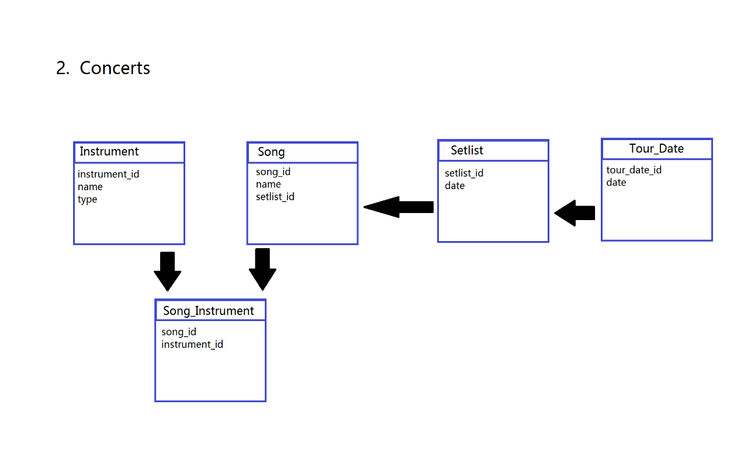
CONCERT
instrument | many | to | many | song

instrument | many | to | many | setlist

instrument | many | to | many | tour date

song | many | to | 1 | setlist

song | many | to | many | tour date

setlist | 1 | to | 1 | tour date

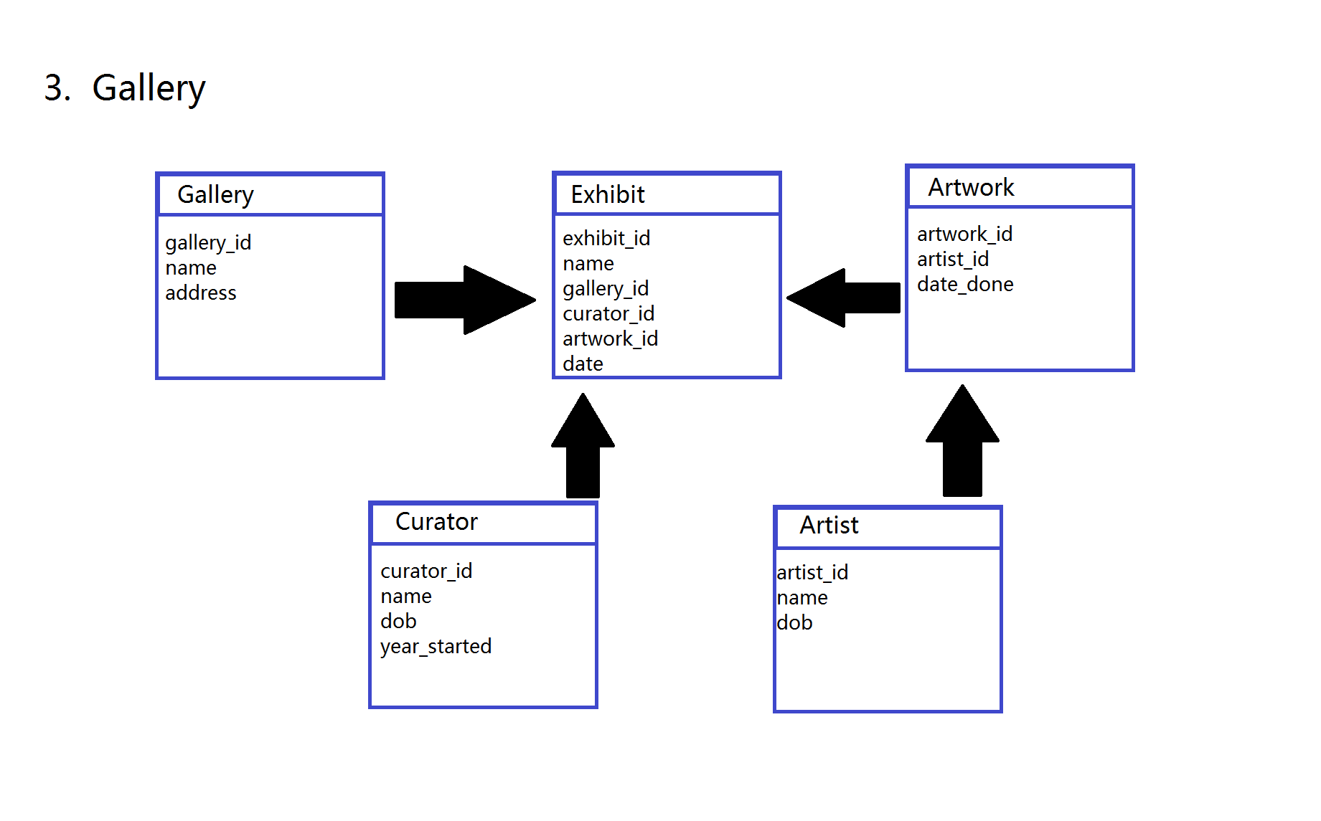

ART EXHIBIT
gallery | 1 | to | many | exhibit

gallery | 1 | to | many | artwork

gallery | many | to | many | artist

gallery | 1 | to | many | curator

exhibit | 1 | to | many | artwork

exhibit | many | to | many | artist

exhibit | many | to | 1 | curator

artwork | many | to | 1 | artist

artwork | 1 | to | 1 | curator

artist | many | to | many | curator

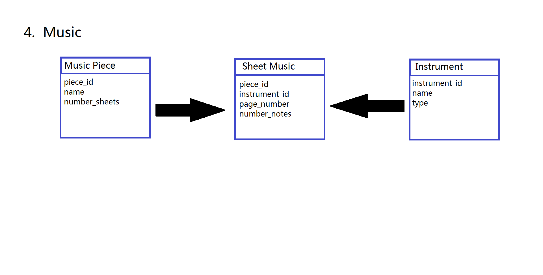

SONG
music piece | 1 | to | many | sheet music

music piece | many | to | many | instrument

sheet music | many | to | 1 | instrument

